Q1
You have a sales report with monthly sales data. How would you create a chart to display this data?

Month | Region | Rep | Item | Units | Unit Cost | Total
Jan | Quebec | Jones | Pencil | 95 | ₹ 1.99 | $189.05 | Row Labels | Sum of Total
Feb | Ontario | Kivell | Binder | 50 | ₹ 19.99 | $999.50 | Jan | 340.29
Mar | Ontario | Jardine | Pencil | 36 | ₹ 4.99 | $179.64 | Apr | 1099.3
Apr | Ontario | Gill | Pen | 50 | ₹ 19.99 | $999.50 | Jun | 543.91
May | Alberta | Sorvino | Pencil | 67 | ₹ 2.99 | $200.33 | Grand Total | 1983.5
Jun | Quebec | Jones | Binder | 81 | ₹ 4.99 | $404.19
Jul | Ontario | Andrews | Pencil | 71 | ₹ 1.99 | $141.29
Aug | Ontario | Jardine | Pencil | 30 | ₹ 4.99 | $149.70
Sep | Alberta | Thompson | Pencil | 50 | ₹ 1.99 | $99.50
Oct | Quebec | Jones | Binder | 60 | ₹ 8.99 | $539.40
Nov | Ontario | Morgan | Pencil | 90 | ₹ 4.99 | $449.10
Dec | Quebec | Howard | Binder | 29 | ₹ 1.99 | $57.71
Jan | Alberta | Sorvino | Pen | 76 | ₹ 1.99 | $151.24
Feb | Alberta | Thompson | Binder | 57 | ₹ 19.99 | $1,139.43
Mar | Ontario | Andrews | Pencil | 10 | ₹ 1.29 | $12.90
Apr | Ontario | Jardine | Binder | 20 | ₹ 4.99 | $99.80
May | Ontario | Jardine | Binder | 94 | ₹ 19.99 | $1,879.06
Jun | Ontario | Andrews | Binder | 28 | ₹ 4.99 | $139.72

Q3
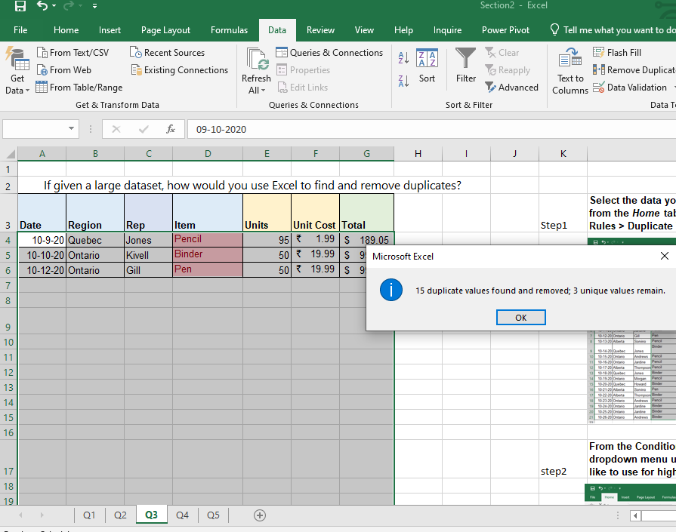
 |  |  |  |  |  |  |  | How to find duplicate
If given a large dataset, how would you use Excel to find and remove duplicates?
Date | Region | Rep | Item | Units | Unit Cost | Total | Step1 | Select the data you want to check for duplicate information. Then, from the Home tab, select Conditional Formatting > Highlight Cell Rules > Duplicate Values.
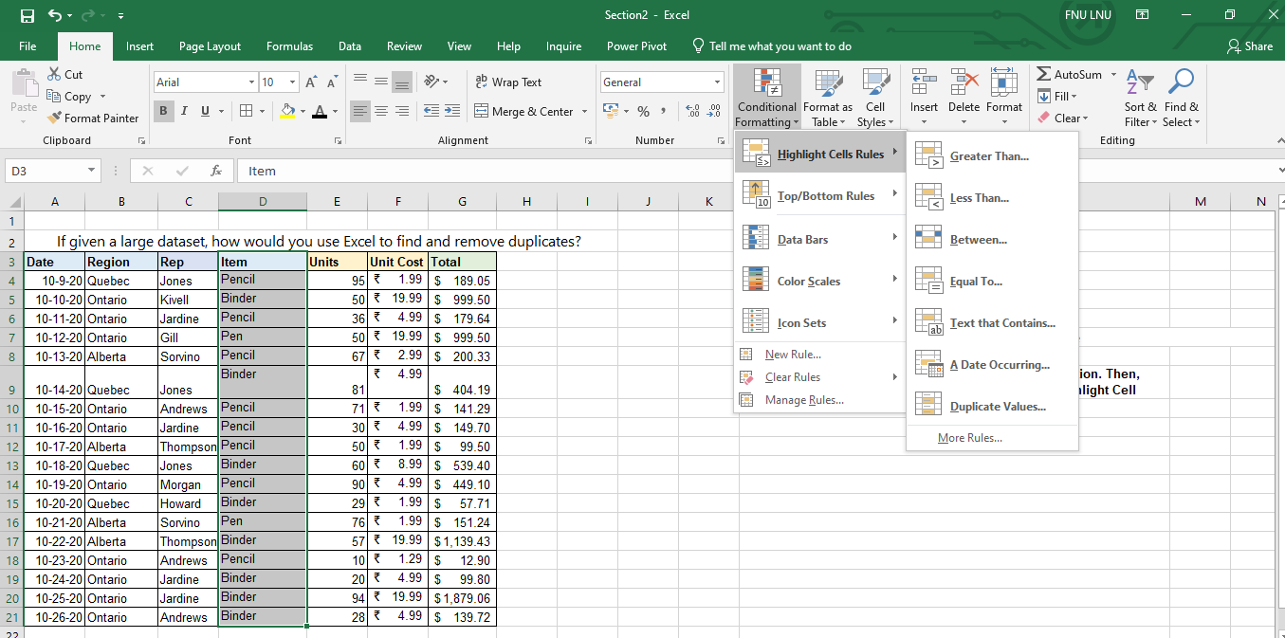
10/9/20 | Quebec | Jones | Pencil | 95 | ₹ 1.99 | $189.05
10/10/20 | Ontario | Kivell | Binder | 50 | ₹ 19.99 | $999.50
10/12/20 | Ontario | Gill | Pen | 50 | ₹ 19.99 | $999.50

 |  |  |  |  |  |  | step2 | From the Conditional Formatting window that appears, click the dropdown menu under Format with to select the color scheme you'd like to use for highlighting duplicates. Then click Done
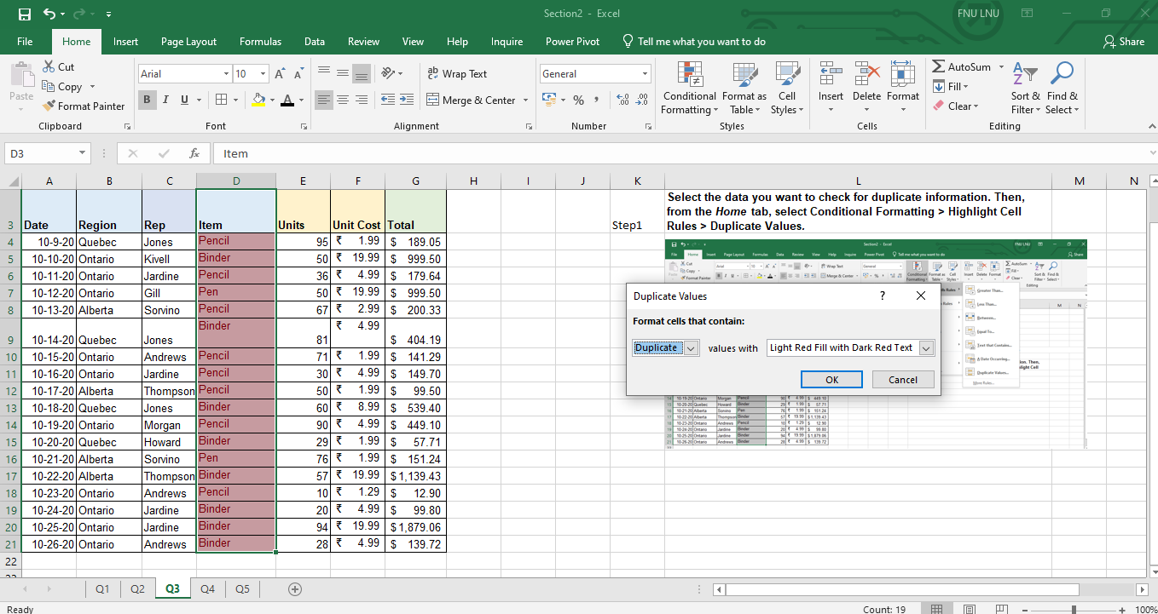

 | How to remove duplicates in Excel

Step1: | Click any cell that contains data. Then, select the Data tab > Remove Duplicates.

 |  |  |  |  |  |  | step3 | Now it's redy for remove

step2: | Select the columm from columm list. For removing duplicates
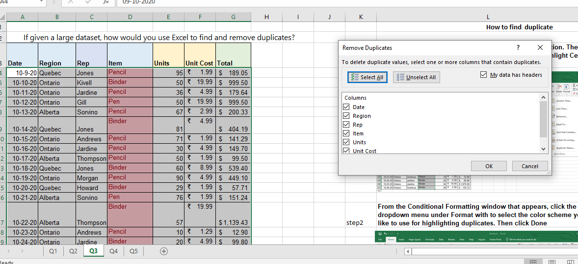

step3: | Press ok and it will remove the duplicates

